Project3705
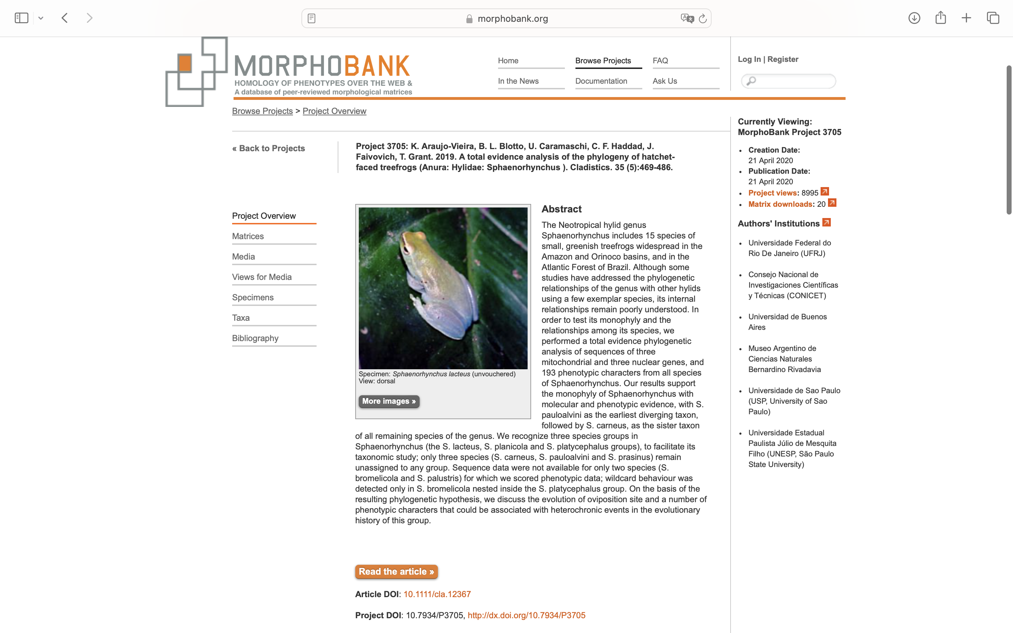
Charlabels | Character Pattern | Unseen States
[1] 'Medial relation nasals' | Transformational | YES
[2] 'Anterior angular process' | Neomorphic | NO
[3] 'Relantionship between Mxlry. proc. of nasal and the post. wall and pl. antor.' | Transformational | YES
[4] 'Relation between nasal and sphenotmoid' | Transformational | NO
[5] 'Exposure of the frontoparietal fontanelle' | Transformational | YES
[6] 'Posterior portion of the internal margins of frontoparietals' | Transformational | YES
[7] 'Tectum Synoticum' | NT2;0=0-;1=11;2=12
[8] 'Medial projection of the post margin of the exocciptalis' | Neomorphic | NO
[9] 'Lamina perpendicularis' | Neomorphic | NO
[10] 'Degree of anterior ossification of the Sphenothmoid' | Transformational | YES
[11] 'Nature of the crista supraorbitalis' | Transformational | NO
[12] 'Relative length of the crista supraorbitalis' | Transformational | YES
[13] 'Maximum height of the par facialis of the maxilla' | Transformational | YES
[14] 'Posterior extension of maxilla' | Transformational | YES
[15] 'Maxillary and Premaxillary teeth' | Neomorphic | NO
[16] 'Structure of the maxillary and premaxillary teeth' | Transformational | YES
[17] 'Percentage of the maxilla edentate' | Transformational | YES
[18] 'Relation between m,axilla and premaxilla' | Transformational | NO
[19] 'Width of the base of alary process of the premaxilla' | Transformational | YES
[20] 'Orientation of the premaxilla' | Transformational | YES
[21] 'Lateral orientation of the alary process of the premaxilla' | Transformational | YES
[22] 'Portion of the pars dentalis of the premaxilla with teeth' | Transformational | YES
[23] 'Degree od anterior extension of the quadratojugal' | Transformational | YES
[24] 'Quadratojugal-squamosal relationship' | Transformational | NO
[25] 'Zygomatic ramus of the squamosal' | Neomorphic | NO
[26] 'Relative length of the zygomatic ramus of the squamosal' | Transformational | YES
[27] 'Otic ramus of the squamosal' | Neomorphic | NO
[28] 'Shape of the otic ramus of the squamosal in lateral view' | Transformational | YES
[29] 'Relation between otic ramus and ossified portion of the crista parotica' | Transformational | YES
[30] 'Orientation of mediodistal portion of the medial ramus of the pterygoid' | Transformational | YES
[31] 'Length of the posterior ramus of the pterygoid' | Transformational | YES
[32] 'Denigerous process of the vomer' | Neomorphic | NO
[33] 'Development of the dentigerous process of the vomer' | Neomorphic | NO
[34] 'Relationship between dentigerous process and prechoanal/postchoanal processes' | Transformational | YES
[35] 'Relationship between dentigerous process and m.body of vomer' | Transformational | YES
[36] 'Medial contact between dentigerous process' | Transformational | NO
[37] 'Vomerine teeth' | Neomorphic | NO
[38] 'Structure of the vomerine teeth' | Transformational | NO
[39] 'Medial portion of the anterior process of vomers that covers the solum nasi' | Neomorphic | NO
[40] 'Arrangement of the vomerine teeth on the dentigerous process' | Transformational | YES
[41] 'Relative length of the palatines' | Transformational | YES
[42] 'Relative length of the cultriform process' | Transformational | YES
[43] 'Shape of the anterior portion of the cultriform process' | Transformational | YES
[44] 'Relative length of the posteromedial process of the parasphenoid' | NT?;0=0-;1=11;2=12
[45] 'Relative length of the alary process of the parasphenoid' | Transformational | YES
[46] 'Posterolateral process of the crista parotica' | Neomorphic | NO
[47] 'Shape of the tympanic annulus' | Transformational | YES
[48] 'Shape of the pars externa plectri' | Transformational | YES
[49] 'Relation between pars externa plectri and tympanic annulus' | Transformational | YES
[50] 'Orientation of the pars media plectri with respect to the transversal skull axis' | Transformational | YES
[51] 'Expansion of distal protion of the pars media plectri' | NT?;0=0-;1=11;2=12
[52] 'Medial end of the pars media plectri' | Neomorphic | NO
[53] 'Relationship between the pars interna plectri and operculum' | Transformational | YES
[54] 'Mineralization of the pars interna plectri' | NT2;0=0-;1=11;2=12
[55] 'Coronoid process' | NT?;0=0-;1=11;2=12
[56] 'Relationship between angulosplenail and dentary' | Transformational | NO
[57] 'Nature of the connection between superior prenasal and alary cartilages' | Transformational | NO
[58] 'Shape of the alary cartilage' | Transformational | YES
[59] 'Contact point of the inferior prenasal cartilage on the alary process of the maxilla' | Transformational | YES
[60] 'Orientation of the portion of the inferior prenasal cartilage that articulate with the soolum nasi' | Transformational | YES
[61] 'Shape of the median prenasal process of the septum nasi' | Transformational | YES
[62] 'Relative length of the medial prenasal process of the septum nasi' | Transformational | YES
[63] 'Cartilaginous lamina that extends from cartilaginous branch to inferior margin of the oblique cartilage' | Neomorphic | NO
[64] 'Connection between lamina nariochoanalis and postnasal wall' | Transformational | NO
[65] 'Anterior process of the hyale' | Neomorphic | NO
[66] 'Shape of anterior process of the hyale' | Transformational | YES
[67] 'Shape of anterolateral process' | Transformational | YES
[68] 'Relative length of the posterolateral process in males' | Transformational | YES
[69] 'Shape of the hyoglossal sinus' | Transformational | YES
[70] 'Hyale' | Transformational | YES
[71] 'Maximum Height fo the hyoid plate' | Transformational | YES
[72] 'Point of attachment of hyale to the skull' | Transformational | YES
[73] 'Esophageal process in males' | Neomorphic | NO
[74] 'Orientation of the esophageal process' | Transformational | YES
[75] 'Shape of the cardiac process' | Transformational | YES
[76] 'Internal butresses od arytenoid' | Neomorphic | NO
[77] 'Number of internal burtresses od the arytenoids' | Transformational | YES
[78] 'Rod of cartilage supporting each end of the vocal chord' | Neomorphic | NO
[79] 'Fibrous masses' | NT2;0=0-;1=11;2=12
[80] 'Shape of the fibrous masses' | Transformational | YES
[81] 'Carilaginous process of arytenoid supporting the frenulum' | Neomorphic | NO
[82] 'Length of coracoids' | Transformational | YES
[83] 'Length of Clavicles' | Transformational | YES
[84] 'Length of the scapulas' | Transformational | YES
[85] 'Anterior margins of the scapula' | Transformational | YES
[86] 'Anterior process of the suprascapula' | Neomorphic | NO
[87] 'Relative expansion of the pars acromialis' | Transformational | YES
[88] 'Shape of the distal portion of the sternum' | Transformational | YES
[89] 'Distal portion of the omeosternum' | Transformational | NO
[90] 'Relative length of the base of omeosternum' | Transformational | YES
[91] 'Orientation of the transverse process of presacral vertebra II' | Transformational | YES
[92] 'Relative length of the transverse process of presacral vertebra IV' | Transformational | YES
[93] 'Orientation of the transverse process of presacral vertebra VI' | Transformational | YES
[94] 'Orientation of the transverse process od presacral VII' | Transformational | YES
[95] 'Contact between presacral II and III' | Transformational | NO
[96] 'Expansion of the sacral diapophysis' | NT?;0=0-;1=11;2=12
[97] 'Shape of the iliac arch' | Transformational | YES
[98] 'Number of distal prepollical elements' | Transformational | YES
[99] 'Shape of the first distal prepollical element' | Transformational | YES
[100] 'Longitudinal axis of the terminal phalange' | Transformational | YES
[101] 'Shape of the intercalary elemen between ultiamate and penultimate phalanges' | Transformational | YES
[102] 'Mineralization of intercalary elements between ultimate and penultimate phalanges' | NT2;0=0-;1=11;2=12
[103] 'Preaxial dilatation of the mecarpal IV' | Neomorphic | NO
[104] 'Contact between proximal portions of the metatarsi IV and V' | Neomorphic | NO
[105] 'Number of distal elements to the prehallux' | Transformational | YES
[106] 'Preaxial dilatation on metatarsal I' | Neomorphic | NO
[107] 'Vocal sac structure' | Transformational | YES
[108] 'Orientation of nostrils' | Transformational | YES
[109] 'Black lateral line' | NT2;0=0-;1=11;2=12
[110] 'White lateral line' | Neomorphic | NO
[111] 'White canthal line' | Neomorphic | NO
[112] 'White dorsolateral line' | Neomorphic | NO
[113] 'Longitudinal white line under eye' | Neomorphic | NO
[114] 'Tympanic membrane' | Neomorphic | NO
[115] 'Nature of nuptial pad on finger' | Transformational | NO
[116] 'Coloration of nuptial pad with epidermal projections on Finger II' | Transformational | YES
[117] 'Relative size of the epidermal projections of the nuptial pads' | Transformational | YES
[118] 'Subcloacal ornamentation' | NT?;0=0-;1=11;2=12;3=13;4=14;5=15;6=16
[119] 'Ornamentation on the ventral surface' | NT?;0=0-;1=11;2=12;3=13;4=14
[120] 'Cloacal sheath' | Neomorphic | NO
[121] 'Dermal ornamentation on forearm' | NT?;0=0-;1=11;2=12;3=13;4=14
[122] 'Dermal ornamentation on elbow' | Neomorphic | NO
[123] 'Internal dermal fold on tarsus' | NT?;0=0-;1=11;2=12;3=13;4=14
[124] 'External dermal ornamentation on tarsus' | NT?;0=0-;1=11;2=12;3=13;4=14
[125] 'Dermal ornamentation on heel' | NT?;0=0-;1=11;2=12;3=13;4=14;5=15
[126] 'Supratympanic fold' | Neomorphic | NO
[127] 'Shape of the adhesive disc on hands' | Transformational | YES
[128] 'Degree of the preaxial webbing of Finger IV' | NT?;0=0-;1=11;2=12;3=13;4=14
[129] 'Degree of the postaxial webbing of Finger IV' | NT?;0=0-;1=11;2=12;3=13;4=14;5=15
[130] 'Degree of webbing between Toes I and II' | NT?;0=0-;1=11;2=12;3=13
[131] 'Degree of the preaxial webbing of Toe IV' | Transformational | YES
[132] 'Degree of the postaxial webbing of Toe IV' | Transformational | YES
[133] 'Position of the nostrils with respect to the main body axis' | Transformational | YES
[134] 'Fleshy flanges on internal margins of the nostrils' | Neomorphic | NO
[135] 'Position of the oral disc' | Transformational | YES
[136] 'Submarginal papillae of the oral disc' | Neomorphic | NO
[137] 'Marginal Papillae of the oral disc' | Transformational | YES
[138] 'Ventral gap in the row of marginal papillae of the oral disc' | Neomorphic | NO
[139] 'Anterior teeth rows' | Neomorphic | NO
[140] 'Number of the anterior teeth rows' | Transformational | YES
[141] 'Posterior teeth rows' | Neomorphic | NO
[142] 'Number of the posterior teeth rows' | Transformational | YES
[143] 'Gap in the first posterior teeth rows' | Neomorphic | NO
[144] 'Relative length of the spiracle' | Transformational | YES
[145] 'Dark pigmentation on ventral surface of proctodeal tube' | Neomorphic | NO
[146] 'Direction of the opening of the vent tube' | Transformational | YES
[147] 'Apical supplementary element of the m. intermandibularis' | Neomorphic | NO
[148] 'Relationship between m. Intermandibularis and m.submentalis' | Transformational | YES
[149] 'Medial raphe of the m. intermandibularis' | Neomorphic | NO
[150] 'Medial aponeurosis of the m. intermandibularis' | Neomorphic | NO
[151] 'Medial portion of the m. Interhyoideus' | Transformational | YES
[152] 'Relative degree of anterior development of the m. Interhyoideus' | Transformational | YES
[153] 'Posterior extension of the fold of the m. interhyoideus fold' | Transformational | YES
[154] 'Origin of the m. genohyoideus lateralis' | Transformational | YES
[155] 'Number of slips of the m. genohyoideus lateralis' | Transformational | YES
[156] 'Insertion of the internal part of the m. genohyoideus lateralis' | Transformational | YES
[157] 'M. petrohyoideus anterior' | Transformational | YES
[158] 'Disposition of the fibers of the m. petrohyoideus anterior' | Transformational | NO
[159] 'Insertion of the branch I of the m. petrohyoideus posterior' | Transformational | YES
[160] 'Number of insertion of the branch III of the m. petrohyoideus posterior' | Transformational | YES
[161] 'Insertion of the m. sternohyoideus' | Transformational | NO
[162] 'Pars dorsalis of the m. sternohyoideus' | Neomorphic | NO
[163] 'Insertions of pars dorsalis of the m. sternohyoideus' | Transformational | YES
[164] 'Relationship between the main body of the m. hyoglossus and the posteromedial process of the hyoid.' | Transformational | YES
[165] 'Origin of medial segment of the m. hioglossus' | Transformational | YES
[166] 'Inflected fibers of the m. genioglossus' | Neomorphic | NO
[167] 'M. lumbricalis brevis digiti IV, lateral slip (LBBIV lateral)' | Neomorphic | NO
[168] 'Origin of the m. lumbricalis brevis digiti V, lateral slip (LBBV lateral)' | Transformational | YES
[169] 'Origin of the m. flexor teres digiti V (FT V).' | Transformational | YES
[170] 'Burtons ligament' | Neomorphic | NO
[171] 'Insertion of the medial branch of the extensor digitorum comunis longus (EDCL) on the basal phalange' | Neomorphic | NO
[172] 'Insertion of the postaxial branch of the extensos digitorum comunis longus (EDCL) on fascia' | Neomorphic | NO
[173] 'EBD 2 medial slip' | Neomorphic | NO
[174] 'EBP 2: origin from DC 2' | Neomorphic | NO
[175] 'EBD 4 medial slip' | Neomorphic | NO
[176] 'EBP 5 medial: accessory slip form M4' | Neomorphic | NO
[177] 'M. flexor teres hallucis' | Neomorphic | NO
[178] 'FM 2: origin from DT2-3 (or DT3)' | Neomorphic | NO
[179] 'FM 4 and TM 4: distal end of FM IV dorsal to TM 4' | Neomorphic | NO
[180] 'FM 4 and TM 4: distal end of FM IV ventral to TM 4' | Neomorphic | NO
[181] 'LB 5 medial: additional insertion onto metatarsus 5' | Neomorphic | NO
[182] 'FDB: structure of the tendon of insertion' | Transformational | NO
[183] 'Origin of TVP from DT2-3' | Neomorphic | NO
[184] 'EC: insertion on digiti 2' | Neomorphic | NO
[185] 'ESH: insertion lateral fibers on medial region of basal phalanx 2 via tendon' | Neomorphic | NO
[186] 'EBS 3: insertion on M3' | Neomorphic | NO
[187] 'EBD II lateral' | Neomorphic | NO
[188] 'EBD 5 lateral' | Neomorphic | NO
[189] 'EBD 5 lateral: lenght of fibers' | Transformational | YES
[190] 'Origin of the m. pectoralis portio abdominalis' | Transformational | YES
[191] 'White parietal peritoneum' | Neomorphic | NO
[192] 'Oviposition site' | Transformational | YES
[193] 'Number of Chromosomes' | Transformational | YES

